Sheet1
 | Document No. |  | Issue No. | Issue Date |  |  | Review and Replace Date |  | Authorised By
 | GFF263MC |  | 3 | 26.05.2021 |  |  | 23.12.2021 |  | Magda Shah
 | Document Title |  | Butter Chicken with Pilau Rice 400g

Document amendments reason for change | Film Updated |  |  | Page 1 of 1 |  | Previous Issue Date |  | 10.06.2021 | Uncontrolled copy unless signed original

CCBUR-R6TCC & CCBUR-R4TCC |  | DUNNES & NISA (CC) |  |  | Butter Chicken with Pilau Rice 400g | CHILLED
STEP 1 |  |  |  |  | STEP 2
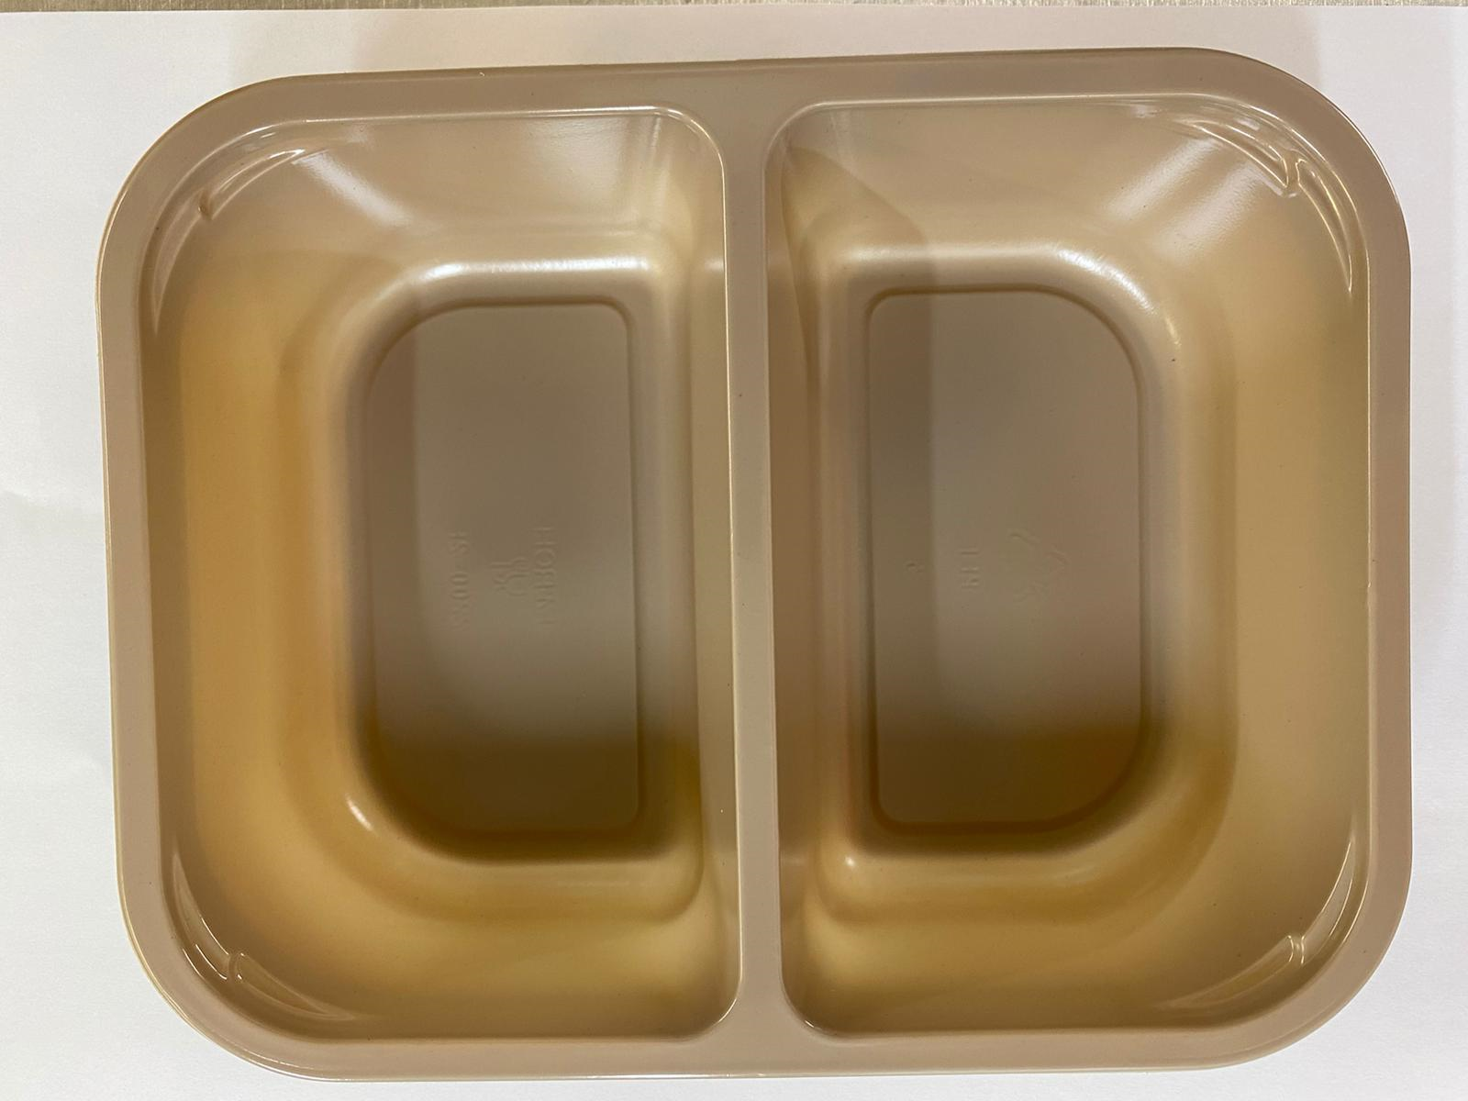 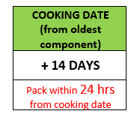 |  |  |  |  | 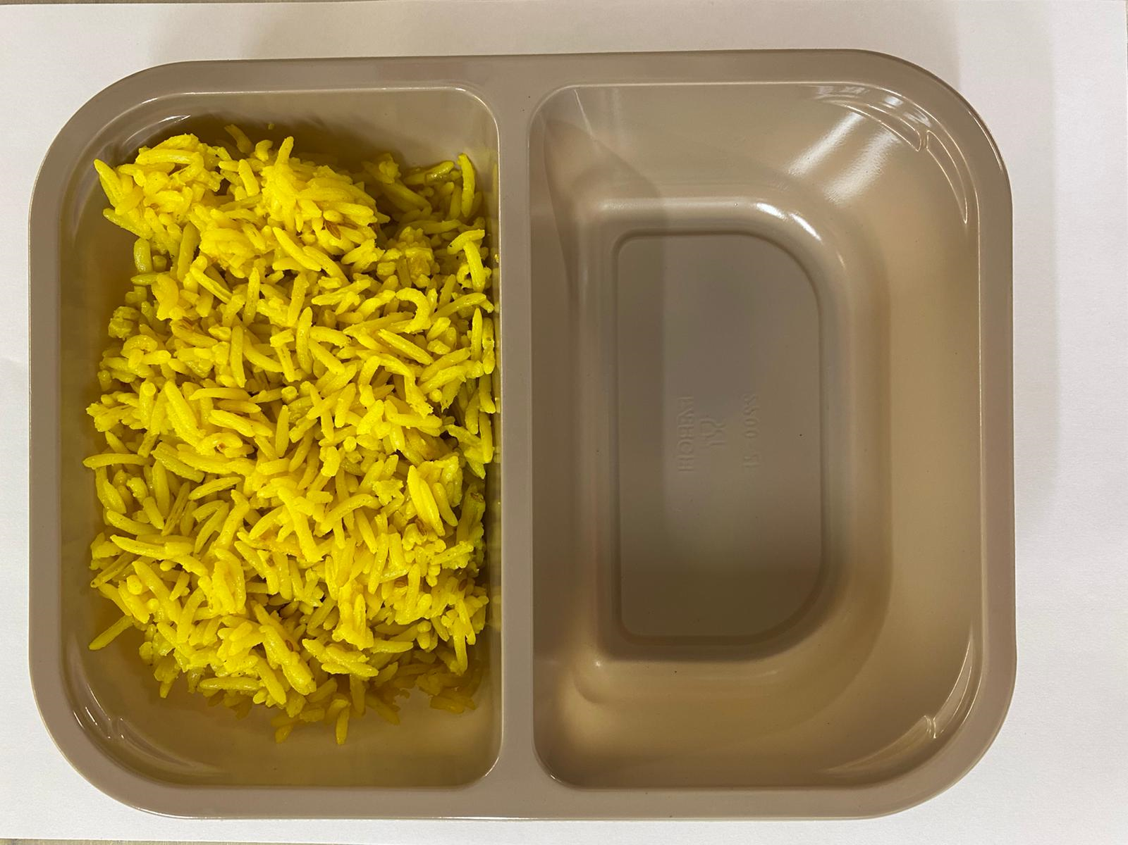

Tray: Evolve CPET 2200-2F (PKRHP001-10) |  |  |  |  | Pilau Rice (GFF143R): 165g

Film: K peel 7G+25A/f- 275mm (275 mmX1000)(PKKMP001-03)

STEP 3 |  |  |  |  | STEP 4
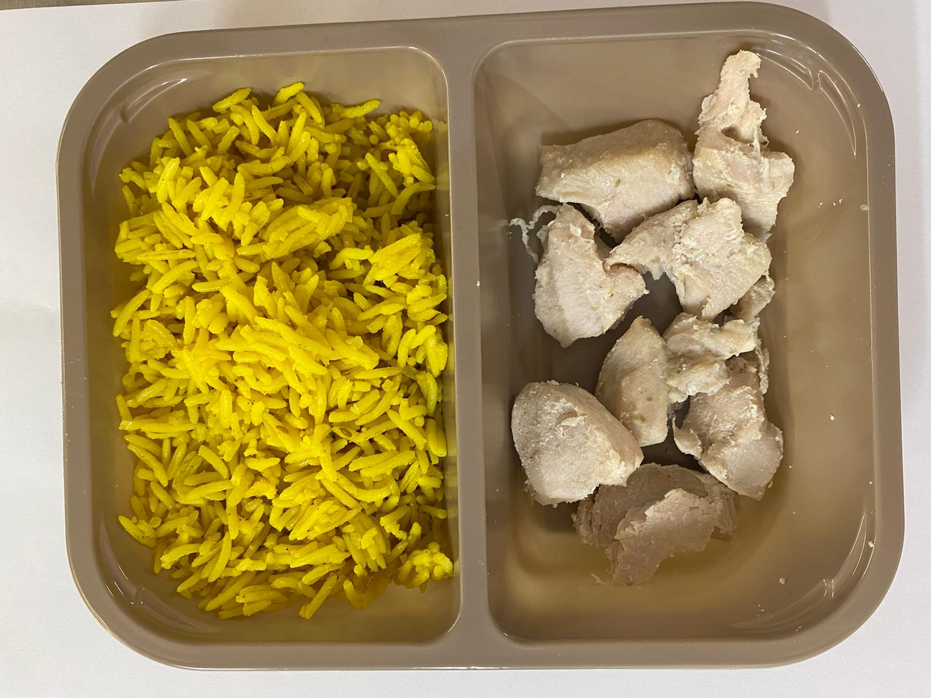 |  |  |  |  | 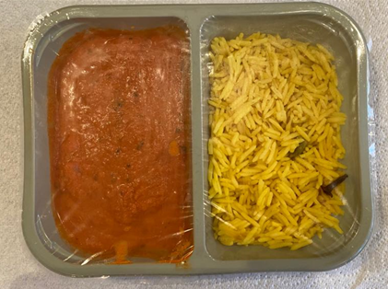

British Diced Breast Chicken 12-14g (Marinated) (GFF164R): 75g (7 - 9 pieces of chicken) |  |  |  |  | Butter Sauce (GFF134R): 160g |  |  |  |  | TOTAL WEIGHT: 400g

ALLERGY ALERT: MILK, BARLEY

